Sheet1
NAME | WORKDONE | CONRIBUTION | IMAGES
Prabhaker Gautam (230350125054) | Work on model using Yolo_v5, v8 and OCR and Improve and deploy model in final project | 35% | 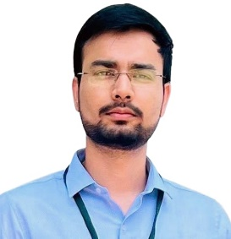
Shradha Kumar Koot (230350125076) | Work on model using InceptionResnetv2 and Transfer learning,text preprocessing techniques in the final project | 33% | 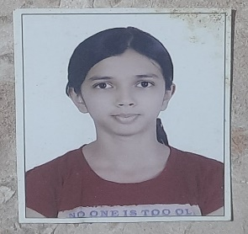
Aayush Garg (2303501250) | Work on model using Yolo, features extraction, preprocessing of the images in final project | 32% | 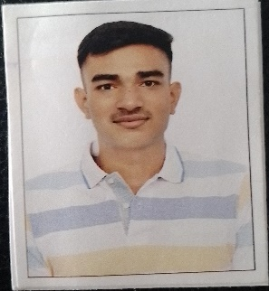

NOTE:- INITIALLY WE ALL WORK IN DIFFERENT TECHONOLOGY FOR MODEL CREATION AND TEST MODEL , THEN WE FINALLY DECIDED TO WORK ON Yolo_v8 AND OCR

